P36 Example
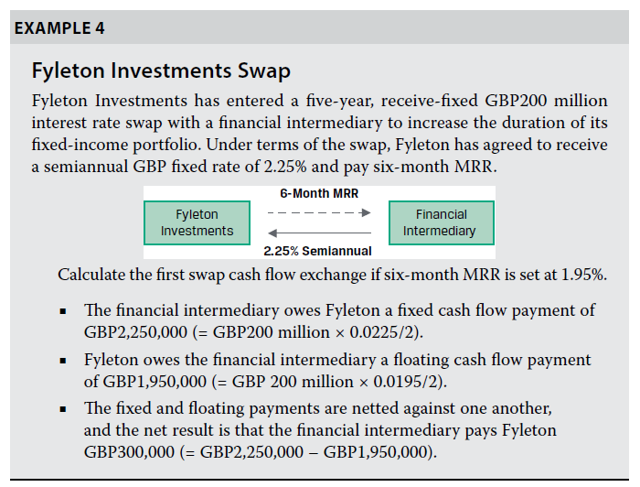
Notional Principal | $200,000,000 | Fixed Rate Bond |  |  | Floating Rate Bond
Annual Fixed Rate | 2.25% | Time | Cash Flow | Present Value | Time | Cash Flow | Present Value
Floating Rate | 1.95% | 0.5 | $2,250,000 |  | 0.5 | $1,950,000
Market Reference Rate | six-month | 1 | $2,250,000 |  | 1
 |  | 1.5 | $2,250,000 |  | 1.5
 |  | 2 | $2,250,000 |  | 2
 |  | 2.5 | $2,250,000 |  | 2.5
 |  | 3 | $2,250,000 |  | 3
 |  | 3.5 | $2,250,000 |  | 3.5
 |  | 4 | $2,250,000 |  | 4
 |  | 4.5 | $2,250,000 |  | 4.5
 |  | 5 | $2,250,000 |  | 5

Swap Position
Pay Fixed | $-300,000

Pay Float | $300,000

Example 2
Notional Principal | $10,000,000 | Fixed Rate Bond |  |  | Floating Rate Bond
Annual Fixed Rate | 4.75% | Time | Cash Flow | Present Value | Time | Cash Flow | Present Value
Floating Rate | 4.29% | 0.5 | $237,500 |  | 0.5 | $214,500
Market Reference Rate | six-month | 1 | $237,500 |  | 1
 |  | 1.5 | $237,500 |  | 1.5
 |  | 2 | $10,237,500 |  | 2

En la pata flotante recibimos el cash flow completo y no hay otros flujos porque la tasa flotante se vuelve a recalcular con la nueva MRR (en este caso la nueva tasa flotante a 6 meses)
Treasury Curve
Time | Interest Rate | Fixed Rate Bond |  |  | Floating Rate Bond
0.5 | 4.29% | Time | Cash Flow | Present Value | Time | Cash Flow | Present Value
1 | 4.08% | 0.5 | $237,500 | $232,564 | 0.5 | $10,214,500 | $10,431,300
1.5 | 4.00% | 1 | $237,500 | $228,190 | 1
2 | 3.92% | 1.5 | $237,500 | $223,931 | 1.5
 |  | 2 | $10,237,500 | $9,479,723 | 2
 |  | Final Value |  | $10,164,407 | Final Value |  | $10,431,300

Swap Position
Pay Fixed | $266,893

Pay Float | $-266,893

Example 2 Solver
Notional Principal | $10,000,000 | Fixed Rate Bond |  |  | Floating Rate Bond
Annual Fixed Rate | 6.15% | Time | Cash Flow | Present Value | Time | Cash Flow | Present Value
Floating Rate | 4.29% | 0.5 | $307,571 |  | 0.5 | $214,500
Market Reference Rate | six-month | 1 | $307,571 |  | 1
 |  | 1.5 | $307,571 |  | 1.5
 |  | 2 | $10,307,571 |  | 2

En la pata flotante "recibimos el cash flow completo" y no hay otros flujos porque la tasa flotante se vuelve a recalcular
con la nueva MRR (en este caso la nueva tasa flotante a 6 meses)
Treasury Curve
Time | Interest Rate | Fixed Rate Bond |  |  | Floating Rate Bond
0.5 | 4.29% | Time | Cash Flow | Present Value | Time | Cash Flow | Present Value
1 | 4.08% | 0.5 | $307,571 | $301,179 | 0.5 | $10,214,500 | $10,431,300
1.5 | 4.00% | 1 | $307,571 | $295,515 | 1
2 | 3.92% | 1.5 | $307,571 | $289,999 | 1.5
 |  | 2 | $10,307,571 | $9,544,608 | 2
 |  | Final Value |  | $10,431,300 | Final Value |  | $10,431,300

Swap Position
Pay Fixed (Short) | $0

Pay Float ( Long) | $-0

